Test Scenarios
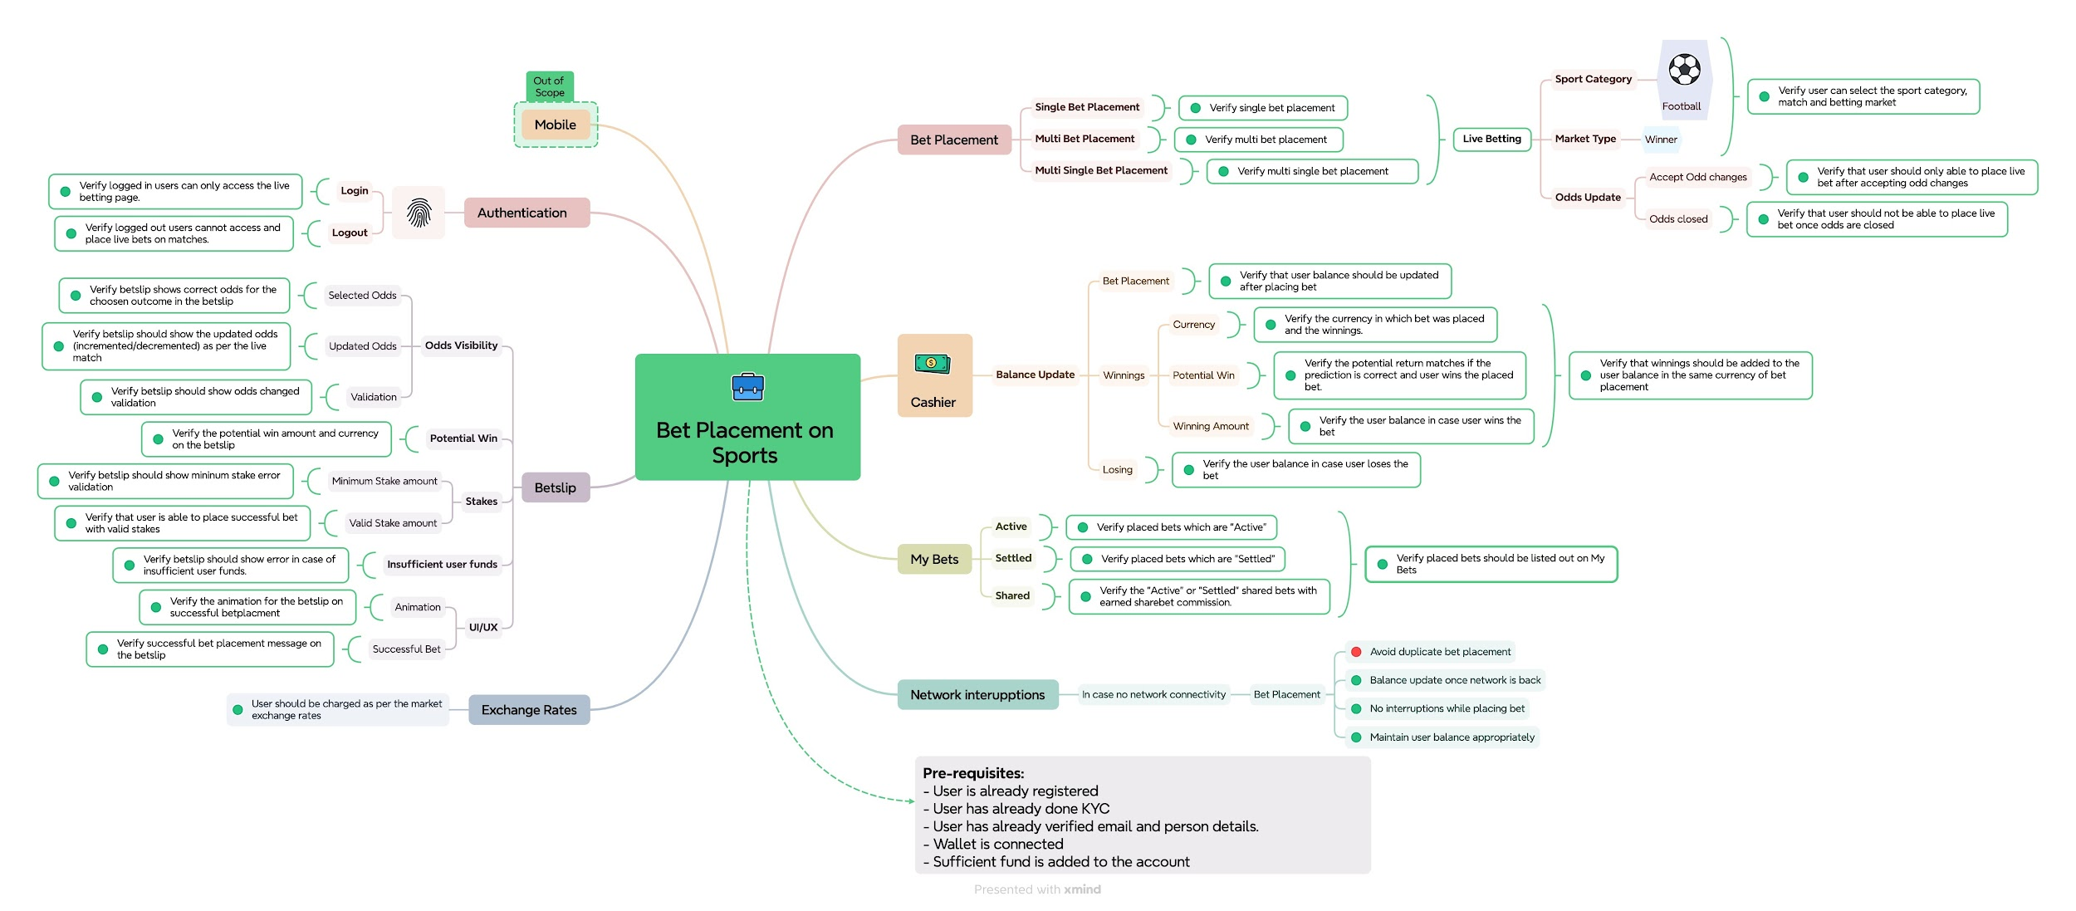
TEST SCENARIOS
User Story: Place a Bet on a Sports Event
"As a registered user, I want to place a bet on a live football match so that I can potentially win money if my prediction is correct."

Requirement ID | Acceptance Criteria:
Req-01: Req-02: Req-03: Req-04: Req-05: Req-06: | 1. Only logged-in users may access the live betting page. 2. A user can select an available football match and choose a betting market (e.g., Match Winner). 3. The bet slip shows correct odds for the chosen outcome. 4. The user must enter a valid stake amount within their account balance. 5. Upon confirmation, the bet is placed and visible under 'My Bets'. 6. If the user does not have sufficient funds, an error message appears: "Insufficient balance. Please deposit to continue."

Scenario ID | Test Scenarios for Bet Placement
SC-01 | Verify logged in users can only access the live betting page.
SC-02 | Verify logged out users cannot access and place live bets on matches.
SC-03 | Verify that user is able to place successful bet with valid stakes
SC-04 | Verify users can select and place single bet to the betslip for Football under Winner market type
SC-05 | Verify users can select and place single multi bet to the betslip for Football under Winner market type
SC-06 | Verify users can select and place multi bet to the betslip for Football under Winner market type
SC-07 | Verify betslip shows correct odds for the choosen outcome in the betslip
SC-08 | Verify betslip should show error in case of insufficient user funds.
SC-09 | Verify betslip should show the updated odds (incremented/decremented) as per the live match
SC-10 | Verify betslip should show mininum stake error validation
SC-11 | Verify betslip should show odds changed validation
SC-12 | Verify user can select the sport category, match and betting market
SC-13 | Verify placed bets should be listed out on My Bets
SC-14 | Verify placed bets which are "Active"
SC-15 | Verify placed bets which are "Settled"
SC-16 | Verify the "Shared" bet and earned sharebet commission.
SC-17 | Verify the potential return matches if the prediction is correct and user wins the placed bet.
SC-18 | Verify the user balance in case user wins the bet
SC-19 | Verify the user balance in case user loses the bet
SC-20 | Verify the currency in which bet was placed and the winnings.
SC-21 | Verify successful bet placement message on the betslip
SC-22 | Verify the animation for the betslip on successful betplacment
SC-23 | Verify that user should not be able to place live bet once odds are closed
SC-24 | Verify that user should only able to place live bet after accepting odd changes
SC-25 | Verify that user balance should be updated after placing bet
SC-26 | Verify that user should receive notification after successful bet in sportsbet account under notifications

